Process Diagram
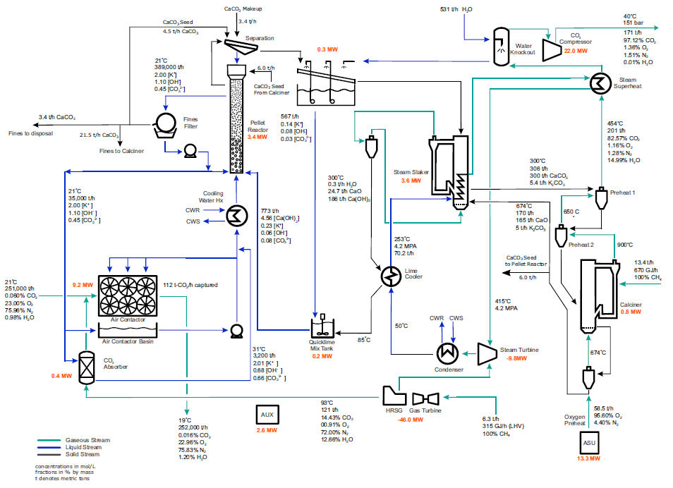
Please use this sheet to add a process flow diagram or a block diagram of your solution, including mass and energy balances.
An example is provided of the Carbon Engineering DAC process (from Keith, et al. 2018), suggesting the level of input detail. Please delete the example and paste your own.

Learning Curve
Cost reduction projections resulting from deployment (learning curve)
0 | 0 | 0
0 | 0 | 0
0 | 0 | 0
0 | 0 | 0
0 | 0 | 0
0 | 0 | 0
0 | 0 | 0
0 | 0 | 0
0 | 0 | 0
0 | 0 | 0
0 | 0 | 0
0 | 0 | 0
0 | 0 | 0
0 | 0 | 0
0 | 0 | 0
0 | 0 | 0
0 | 0 | 0
0 | 0 | 0
0 | 0 | 0
0 | 0 | 0
0 | 0 | 0
0 | 0 | 0
0 | 0 | 0
0 | 0 | 0
1,000,000,000 | 0 | 0

